Script
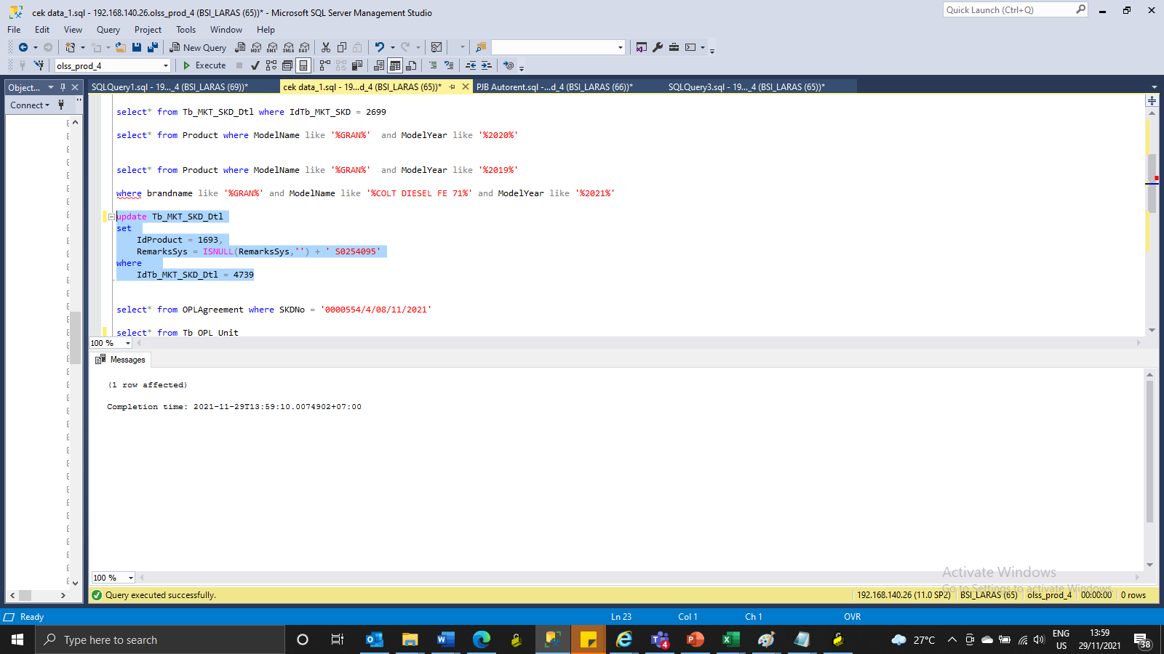
update Tb_MKT_SKD_Dtl
set
 | IdProduct = 1693,
 | RemarksSys = ISNULL(RemarksSys,'') + ' S0254095'
where
 | IdTb_MKT_SKD_Dtl = 4739

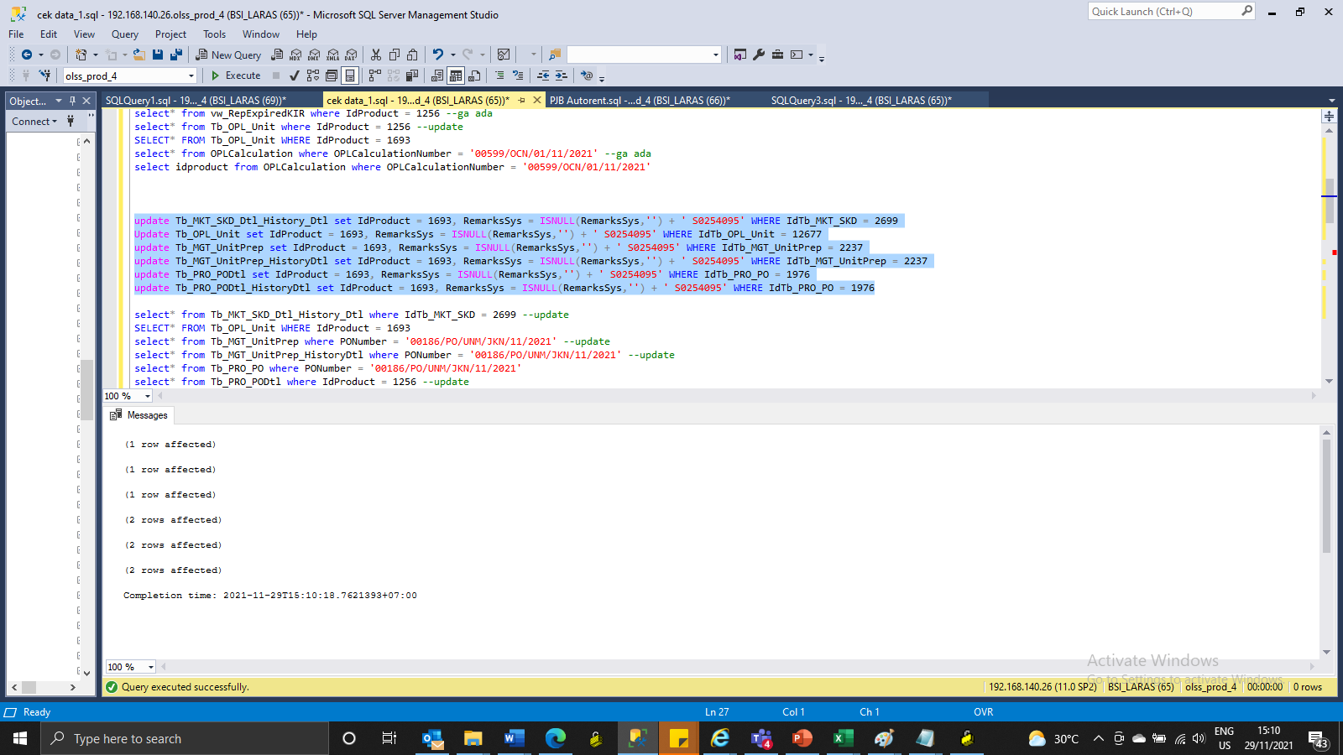
update Tb_MKT_SKD_Dtl_History_Dtl set IdProduct = 1693, | RemarksSys = ISNULL(RemarksSys,'') + ' S0254095' WHERE IdTb_MKT_SKD = 2699
Update Tb_OPL_Unit set IdProduct = 1693, RemarksSys = ISNULL(RemarksSys,'') + ' S0254095' WHERE IdTb_OPL_Unit = 12677
update Tb_MGT_UnitPrep set IdProduct = 1693, RemarksSys = ISNULL(RemarksSys,'') + ' S0254095' WHERE IdTb_MGT_UnitPrep = 2237
update Tb_MGT_UnitPrep_HistoryDtl set IdProduct = 1693, RemarksSys = ISNULL(RemarksSys,'') + ' S0254095' WHERE IdTb_MGT_UnitPrep = 2237
update Tb_PRO_PODtl set IdProduct = 1693, RemarksSys = ISNULL(RemarksSys,'') + ' S0254095' WHERE IdTb_PRO_PO = 1976
update Tb_PRO_PODtl_HistoryDtl set IdProduct = 1693, RemarksSys = ISNULL(RemarksSys,'') + ' S0254095' WHERE IdTb_PRO_PO = 1976

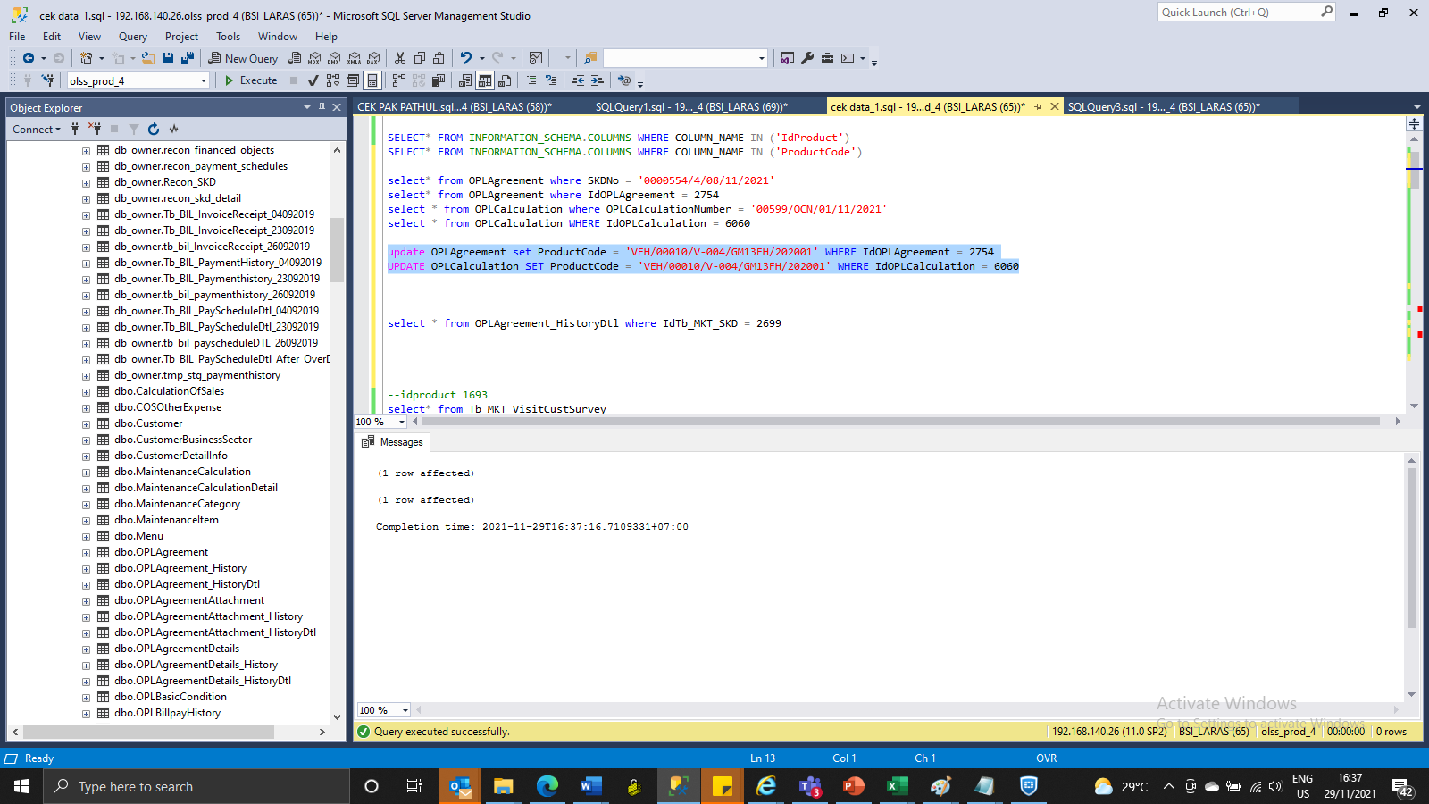

update OPLAgreement set ProductCode = 'VEH/00010/V-004/GM13FH/202001' WHERE IdOPLAgreement = 2754
UPDATE OPLCalculation SET ProductCode = 'VEH/00010/V-004/GM13FH/202001' WHERE IdOPLCalculation = 6060

Screenshot
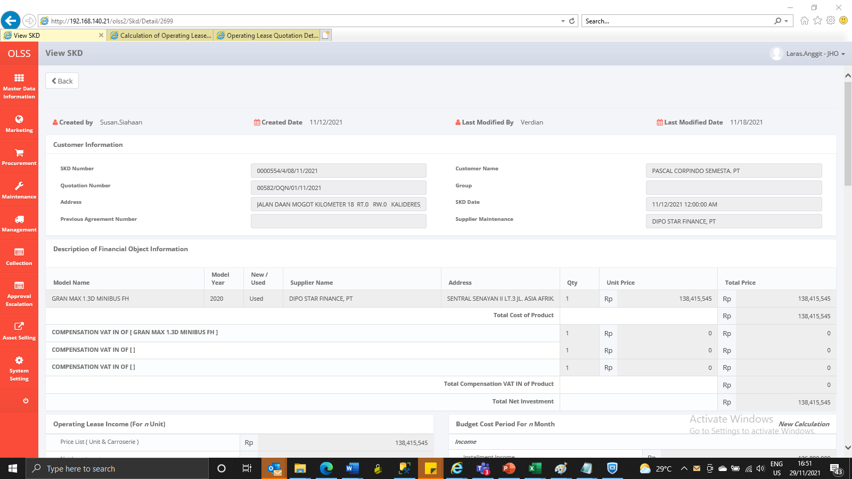
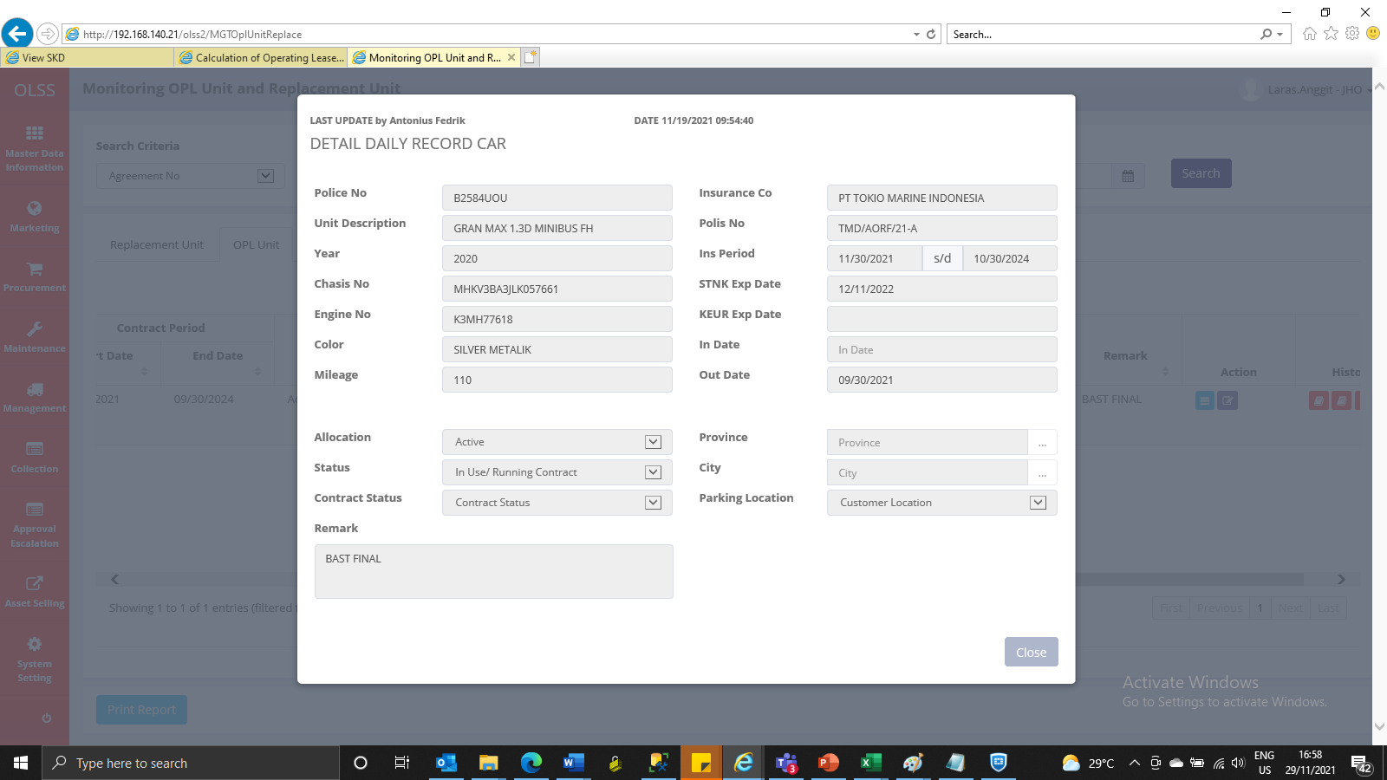
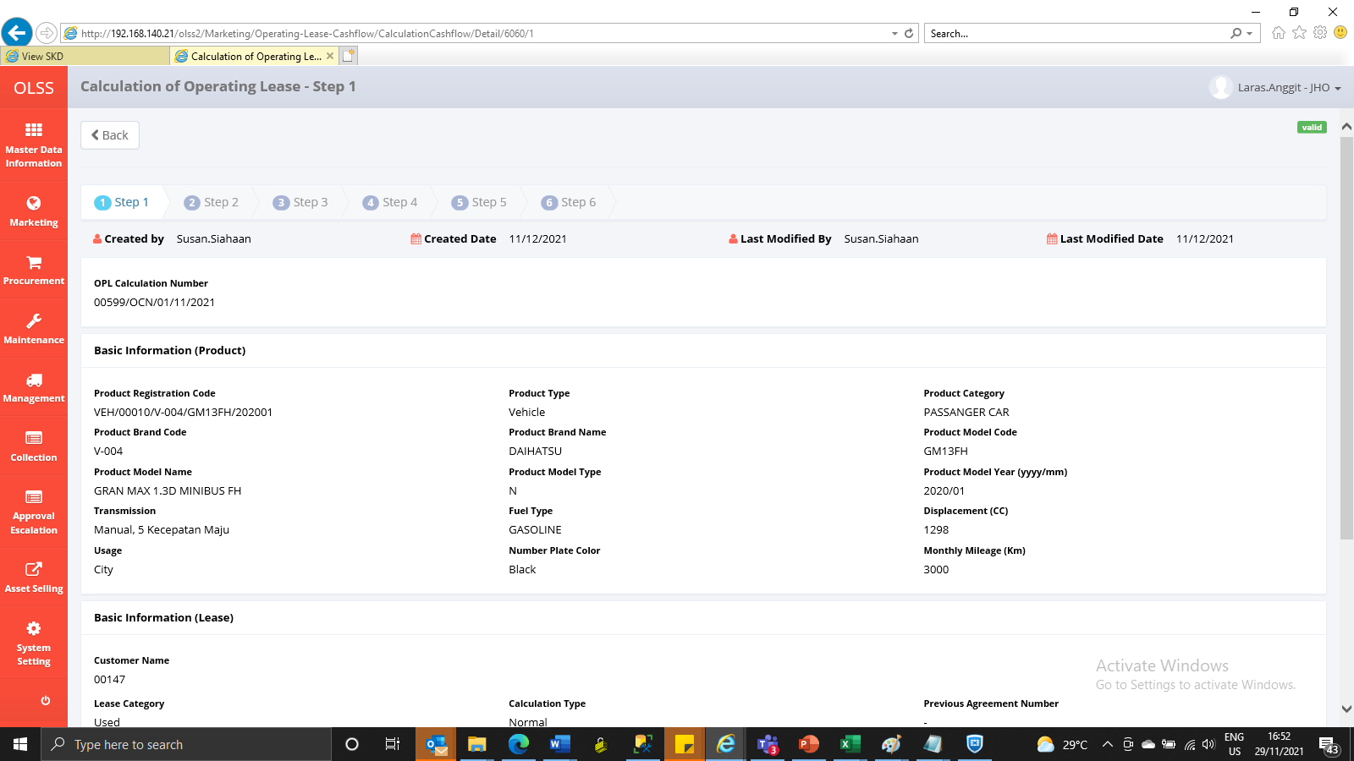
BEFORE
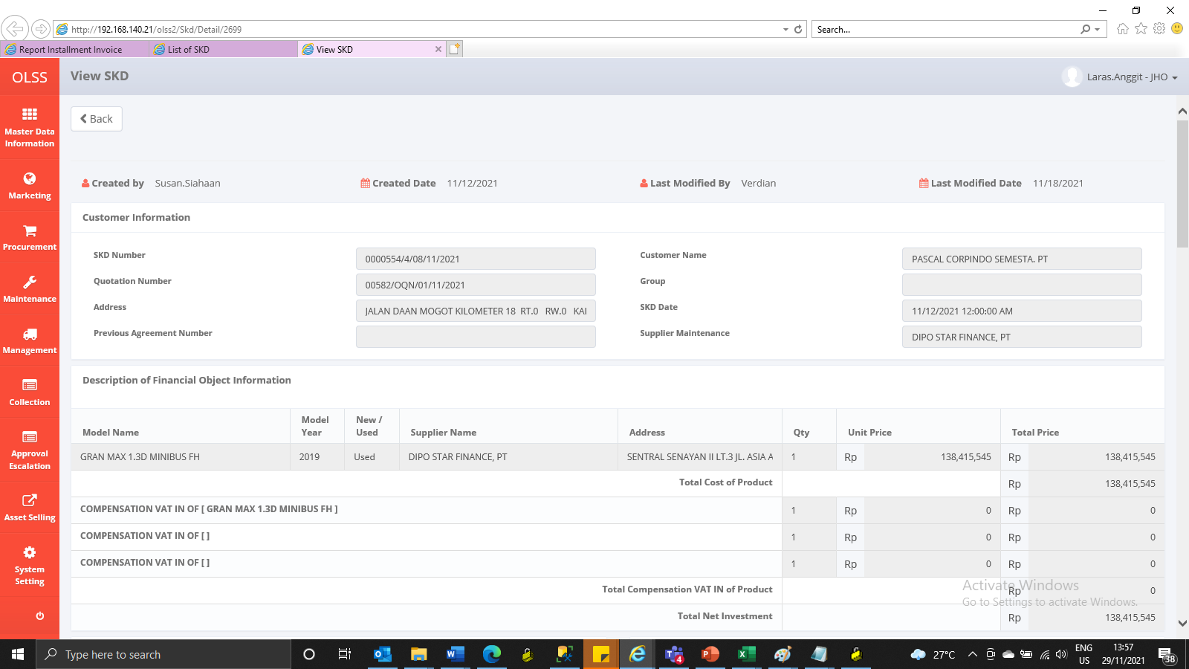
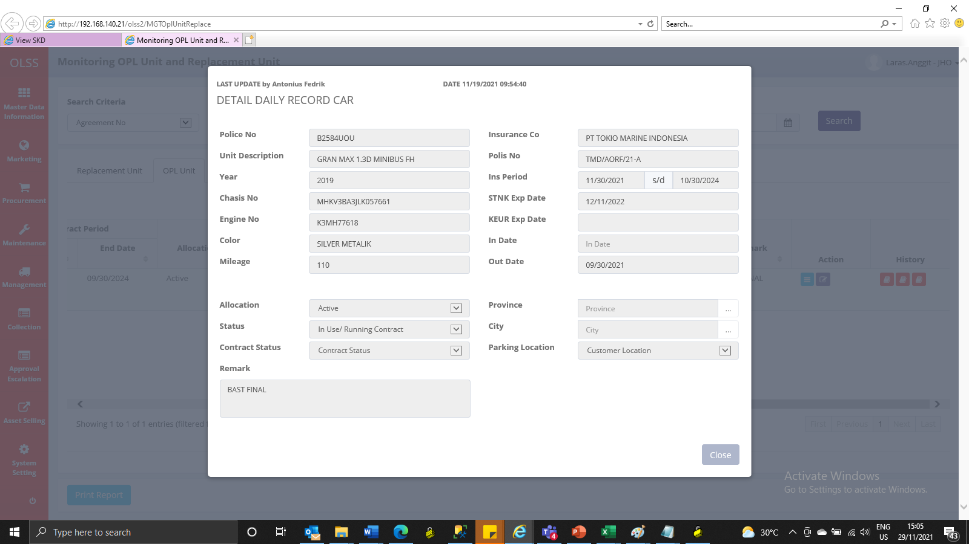
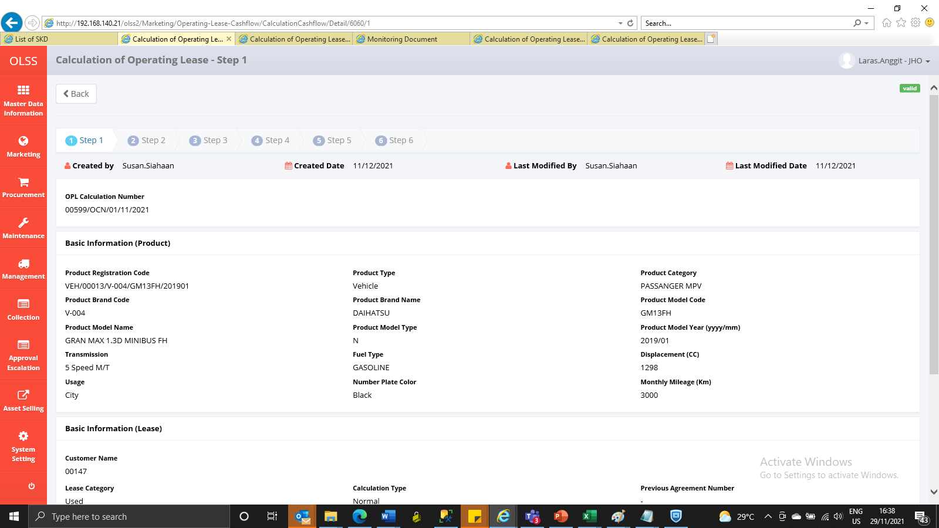

AFTER

